Q2
2. Which films have the highest rental rates and are most in demand?

select title, description , sum(rental_rate) as total_rental_rate
from film
where rental_rate = "4.99"
group by title , description

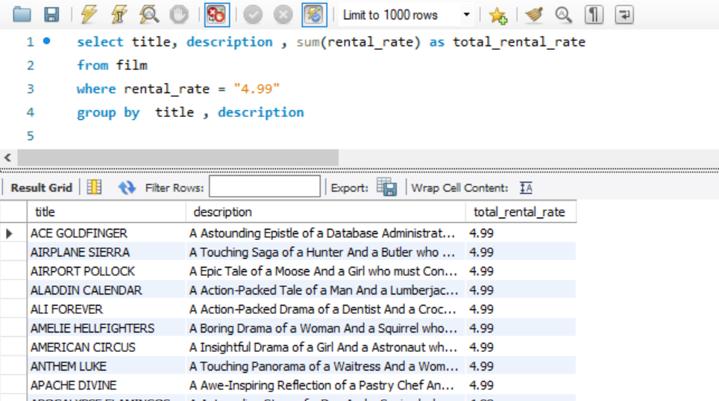
title | description | total_rental_rate
ACE GOLDFINGER | A Astounding Epistle of a Database Administrator And a Explorer who must Find a Car in Ancient China | 4.99
AIRPLANE SIERRA | A Touching Saga of a Hunter And a Butler who must Discover a Butler in A Jet Boat | 4.99
AIRPORT POLLOCK | A Epic Tale of a Moose And a Girl who must Confront a Monkey in Ancient India | 4.99
ALADDIN CALENDAR | A Action-Packed Tale of a Man And a Lumberjack who must Reach a Feminist in Ancient China | 4.99
ALI FOREVER | A Action-Packed Drama of a Dentist And a Crocodile who must Battle a Feminist in The Canadian Rockies | 4.99
AMELIE HELLFIGHTERS | A Boring Drama of a Woman And a Squirrel who must Conquer a Student in A Baloon | 4.99
AMERICAN CIRCUS | A Insightful Drama of a Girl And a Astronaut who must Face a Database Administrator in A Shark Tank | 4.99
ANTHEM LUKE | A Touching Panorama of a Waitress And a Woman who must Outrace a Dog in An Abandoned Amusement Park | 4.99
APACHE DIVINE | A Awe-Inspiring Reflection of a Pastry Chef And a Teacher who must Overcome a Sumo Wrestler in A U-Boat | 4.99
APOCALYPSE FLAMINGOS | A Astounding Story of a Dog And a Squirrel who must Defeat a Woman in An Abandoned Amusement Park | 4.99
ATTACKS HATE | A Fast-Paced Panorama of a Technical Writer And a Mad Scientist who must Find a Feminist in An Abandoned Mine Shaft | 4.99
ATTRACTION NEWTON | A Astounding Panorama of a Composer And a Frisbee who must Reach a Husband in Ancient Japan | 4.99
AUTUMN CROW | A Beautiful Tale of a Dentist And a Mad Cow who must Battle a Moose in The Sahara Desert | 4.99
BABY HALL | A Boring Character Study of a A Shark And a Girl who must Outrace a Feminist in An Abandoned Mine Shaft | 4.99
BACKLASH UNDEFEATED | A Stunning Character Study of a Mad Scientist And a Mad Cow who must Kill a Car in A Monastery | 4.99
BEAST HUNCHBACK | A Awe-Inspiring Epistle of a Student And a Squirrel who must Defeat a Boy in Ancient China | 4.99
BEAUTY GREASE | A Fast-Paced Display of a Composer And a Moose who must Sink a Robot in An Abandoned Mine Shaft | 4.99
BEHAVIOR RUNAWAY | A Unbelieveable Drama of a Student And a Husband who must Outrace a Sumo Wrestler in Berlin | 4.99
BETRAYED REAR | A Emotional Character Study of a Boat And a Pioneer who must Find a Explorer in A Shark Tank | 4.99
BIKINI BORROWERS | A Astounding Drama of a Astronaut And a Cat who must Discover a Woman in The First Manned Space Station | 4.99
BILKO ANONYMOUS | A Emotional Reflection of a Teacher And a Man who must Meet a Cat in The First Manned Space Station | 4.99
BIRCH ANTITRUST | A Fanciful Panorama of a Husband And a Pioneer who must Outgun a Dog in A Baloon | 4.99
BIRD INDEPENDENCE | A Thrilling Documentary of a Car And a Student who must Sink a Hunter in The Canadian Rockies | 4.99
BIRDS PERDITION | A Boring Story of a Womanizer And a Pioneer who must Face a Dog in California | 4.99
BLINDNESS GUN | A Touching Drama of a Robot And a Dentist who must Meet a Hunter in A Jet Boat | 4.99
BOILED DARES | A Awe-Inspiring Story of a Waitress And a Dog who must Discover a Dentist in Ancient Japan | 4.99
BOOGIE AMELIE | A Lacklusture Character Study of a Husband And a Sumo Wrestler who must Succumb a Technical Writer in The Gulf of Mexico | 4.99
BORN SPINAL | A Touching Epistle of a Frisbee And a Husband who must Pursue a Student in Nigeria | 4.99
BOWFINGER GABLES | A Fast-Paced Yarn of a Waitress And a Composer who must Outgun a Dentist in California | 4.99
BRANNIGAN SUNRISE | A Amazing Epistle of a Moose And a Crocodile who must Outrace a Dog in Berlin | 4.99
BREAKFAST GOLDFINGER | A Beautiful Reflection of a Student And a Student who must Fight a Moose in Berlin | 4.99
BRIGHT ENCOUNTERS | A Fateful Yarn of a Lumberjack And a Feminist who must Conquer a Student in A Jet Boat | 4.99
BROOKLYN DESERT | A Beautiful Drama of a Dentist And a Composer who must Battle a Sumo Wrestler in The First Manned Space Station | 4.99
BUBBLE GROSSE | A Awe-Inspiring Panorama of a Crocodile And a Moose who must Confront a Girl in A Baloon | 4.99
BUCKET BROTHERHOOD | A Amazing Display of a Girl And a Womanizer who must Succumb a Lumberjack in A Baloon Factory | 4.99
CALENDAR GUNFIGHT | A Thrilling Drama of a Frisbee And a Lumberjack who must Sink a Man in Nigeria | 4.99
CALIFORNIA BIRDS | A Thrilling Yarn of a Database Administrator And a Robot who must Battle a Database Administrator in Ancient India | 4.99
CANDLES GRAPES | A Fanciful Character Study of a Monkey And a Explorer who must Build a Astronaut in An Abandoned Fun House | 4.99
CARIBBEAN LIBERTY | A Fanciful Tale of a Pioneer And a Technical Writer who must Outgun a Pioneer in A Shark Tank | 4.99
CASABLANCA SUPER | A Amazing Panorama of a Crocodile And a Forensic Psychologist who must Pursue a Secret Agent in The First Manned Space Station | 4.99
CASPER DRAGONFLY | A Intrepid Documentary of a Boat And a Crocodile who must Chase a Robot in The Sahara Desert | 4.99
CASUALTIES ENCINO | A Insightful Yarn of a A Shark And a Pastry Chef who must Face a Boy in A Monastery | 4.99
CAT CONEHEADS | A Fast-Paced Panorama of a Girl And a A Shark who must Confront a Boy in Ancient India | 4.99
CENTER DINOSAUR | A Beautiful Character Study of a Sumo Wrestler And a Dentist who must Find a Dog in California | 4.99
CHAMBER ITALIAN | A Fateful Reflection of a Moose And a Husband who must Overcome a Monkey in Nigeria | 4.99
CHAMPION FLATLINERS | A Amazing Story of a Mad Cow And a Dog who must Kill a Husband in A Monastery | 4.99
CHASING FIGHT | A Astounding Saga of a Technical Writer And a Butler who must Battle a Butler in A Shark Tank | 4.99
CHICAGO NORTH | A Fateful Yarn of a Mad Cow And a Waitress who must Battle a Student in California | 4.99
CHINATOWN GLADIATOR | A Brilliant Panorama of a Technical Writer And a Lumberjack who must Escape a Butler in Ancient India | 4.99
CHISUM BEHAVIOR | A Epic Documentary of a Sumo Wrestler And a Butler who must Kill a Car in Ancient India | 4.99
CINCINATTI WHISPERER | A Brilliant Saga of a Pastry Chef And a Hunter who must Confront a Butler in Berlin | 4.99
CLERKS ANGELS | A Thrilling Display of a Sumo Wrestler And a Girl who must Confront a Man in A Baloon | 4.99
CLOSER BANG | A Unbelieveable Panorama of a Frisbee And a Hunter who must Vanquish a Monkey in Ancient India | 4.99
CLUE GRAIL | A Taut Tale of a Butler And a Mad Scientist who must Build a Crocodile in Ancient China | 4.99
COLDBLOODED DARLING | A Brilliant Panorama of a Dentist And a Moose who must Find a Student in The Gulf of Mexico | 4.99
COMA HEAD | A Awe-Inspiring Drama of a Boy And a Frisbee who must Escape a Pastry Chef in California | 4.99
COMMAND DARLING | A Awe-Inspiring Tale of a Forensic Psychologist And a Woman who must Challenge a Database Administrator in Ancient Japan | 4.99
COMMANDMENTS EXPRESS | A Fanciful Saga of a Student And a Mad Scientist who must Battle a Hunter in An Abandoned Mine Shaft | 4.99
CONEHEADS SMOOCHY | A Touching Story of a Womanizer And a Composer who must Pursue a Husband in Nigeria | 4.99
CONFESSIONS MAGUIRE | A Insightful Story of a Car And a Boy who must Battle a Technical Writer in A Baloon | 4.99
CONFIDENTIAL INTERVIEW | A Stunning Reflection of a Cat And a Woman who must Find a Astronaut in Ancient Japan | 4.99
CONNECTICUT TRAMP | A Unbelieveable Drama of a Crocodile And a Mad Cow who must Reach a Dentist in A Shark Tank | 4.99
CONQUERER NUTS | A Taut Drama of a Mad Scientist And a Man who must Escape a Pioneer in An Abandoned Mine Shaft | 4.99
CONTROL ANTHEM | A Fateful Documentary of a Robot And a Student who must Battle a Cat in A Monastery | 4.99
CONVERSATION DOWNHILL | A Taut Character Study of a Husband And a Waitress who must Sink a Squirrel in A MySQL Convention | 4.99
CREEPERS KANE | A Awe-Inspiring Reflection of a Squirrel And a Boat who must Outrace a Car in A Jet Boat | 4.99
CROSSING DIVORCE | A Beautiful Documentary of a Dog And a Robot who must Redeem a Womanizer in Berlin | 4.99
CROWDS TELEMARK | A Intrepid Documentary of a Astronaut And a Forensic Psychologist who must Find a Frisbee in An Abandoned Fun House | 4.99
DADDY PITTSBURGH | A Epic Story of a A Shark And a Student who must Confront a Explorer in The Gulf of Mexico | 4.99
DAISY MENAGERIE | A Fast-Paced Saga of a Pastry Chef And a Monkey who must Sink a Composer in Ancient India | 4.99
DANGEROUS UPTOWN | A Unbelieveable Story of a Mad Scientist And a Woman who must Overcome a Dog in California | 4.99
DARKO DORADO | A Stunning Reflection of a Frisbee And a Husband who must Redeem a Dog in New Orleans | 4.99
DARLING BREAKING | A Brilliant Documentary of a Astronaut And a Squirrel who must Succumb a Student in The Gulf of Mexico | 4.99
DARN FORRESTER | A Fateful Story of a A Shark And a Explorer who must Succumb a Technical Writer in A Jet Boat | 4.99
DAUGHTER MADIGAN | A Beautiful Tale of a Hunter And a Mad Scientist who must Confront a Squirrel in The First Manned Space Station | 4.99
DAWN POND | A Thoughtful Documentary of a Dentist And a Forensic Psychologist who must Defeat a Waitress in Berlin | 4.99
DAY UNFAITHFUL | A Stunning Documentary of a Composer And a Mad Scientist who must Find a Technical Writer in A U-Boat | 4.99
DAZED PUNK | A Action-Packed Story of a Pioneer And a Technical Writer who must Discover a Forensic Psychologist in An Abandoned Amusement Park | 4.99
DEEP CRUSADE | A Amazing Tale of a Crocodile And a Squirrel who must Discover a Composer in Australia | 4.99
DESERT POSEIDON | A Brilliant Documentary of a Butler And a Frisbee who must Build a Astronaut in New Orleans | 4.99
DESPERATE TRAINSPOTTING | A Epic Yarn of a Forensic Psychologist And a Teacher who must Face a Lumberjack in California | 4.99
DESTINY SATURDAY | A Touching Drama of a Crocodile And a Crocodile who must Conquer a Explorer in Soviet Georgia | 4.99
DETAILS PACKER | A Epic Saga of a Waitress And a Composer who must Face a Boat in A U-Boat | 4.99
DEVIL DESIRE | A Beautiful Reflection of a Monkey And a Dentist who must Face a Database Administrator in Ancient Japan | 4.99
DOGMA FAMILY | A Brilliant Character Study of a Database Administrator And a Monkey who must Succumb a Astronaut in New Orleans | 4.99
DOORS PRESIDENT | A Awe-Inspiring Display of a Squirrel And a Woman who must Overcome a Boy in The Gulf of Mexico | 4.99
DORADO NOTTING | A Action-Packed Tale of a Sumo Wrestler And a A Shark who must Meet a Frisbee in California | 4.99
DOUBTFIRE LABYRINTH | A Intrepid Panorama of a Butler And a Composer who must Meet a Mad Cow in The Sahara Desert | 4.99
DOZEN LION | A Taut Drama of a Cat And a Girl who must Defeat a Frisbee in The Canadian Rockies | 4.99
DRAGONFLY STRANGERS | A Boring Documentary of a Pioneer And a Man who must Vanquish a Man in Nigeria | 4.99
DRIFTER COMMANDMENTS | A Epic Reflection of a Womanizer And a Squirrel who must Discover a Husband in A Jet Boat | 4.99
DRIVING POLISH | A Action-Packed Yarn of a Feminist And a Technical Writer who must Sink a Boat in An Abandoned Mine Shaft | 4.99
DROP WATERFRONT | A Fanciful Documentary of a Husband And a Explorer who must Reach a Madman in Ancient China | 4.99
DUDE BLINDNESS | A Stunning Reflection of a Husband And a Lumberjack who must Face a Frisbee in An Abandoned Fun House | 4.99
DURHAM PANKY | A Brilliant Panorama of a Girl And a Boy who must Face a Mad Scientist in An Abandoned Mine Shaft | 4.99
DYING MAKER | A Intrepid Tale of a Boat And a Monkey who must Kill a Cat in California | 4.99
EAGLES PANKY | A Thoughtful Story of a Car And a Boy who must Find a A Shark in The Sahara Desert | 4.99
EARLY HOME | A Amazing Panorama of a Mad Scientist And a Husband who must Meet a Woman in The Outback | 4.99
EASY GLADIATOR | A Fateful Story of a Monkey And a Girl who must Overcome a Pastry Chef in Ancient India | 4.99
EDGE KISSING | A Beautiful Yarn of a Composer And a Mad Cow who must Redeem a Mad Scientist in A Jet Boat | 4.99
ELEMENT FREDDY | A Awe-Inspiring Reflection of a Waitress And a Squirrel who must Kill a Mad Cow in A Jet Boat | 4.99
ELEPHANT TROJAN | A Beautiful Panorama of a Lumberjack And a Forensic Psychologist who must Overcome a Frisbee in A Baloon | 4.99
ELF MURDER | A Action-Packed Story of a Frisbee And a Woman who must Reach a Girl in An Abandoned Mine Shaft | 4.99
ELIZABETH SHANE | A Lacklusture Display of a Womanizer And a Dog who must Face a Sumo Wrestler in Ancient Japan | 4.99
ENEMY ODDS | A Fanciful Panorama of a Mad Scientist And a Woman who must Pursue a Astronaut in Ancient India | 4.99
EVE RESURRECTION | A Awe-Inspiring Yarn of a Pastry Chef And a Database Administrator who must Challenge a Teacher in A Baloon | 4.99
EXPECATIONS NATURAL | A Amazing Drama of a Butler And a Husband who must Reach a A Shark in A U-Boat | 4.99
FALCON VOLUME | A Fateful Saga of a Sumo Wrestler And a Hunter who must Redeem a A Shark in New Orleans | 4.99
FELLOWSHIP AUTUMN | A Lacklusture Reflection of a Dentist And a Hunter who must Meet a Teacher in A Baloon | 4.99
FEVER EMPIRE | A Insightful Panorama of a Cat And a Boat who must Defeat a Boat in The Gulf of Mexico | 4.99
FIDDLER LOST | A Boring Tale of a Squirrel And a Dog who must Challenge a Madman in The Gulf of Mexico | 4.99
FIDELITY DEVIL | A Awe-Inspiring Drama of a Technical Writer And a Composer who must Reach a Pastry Chef in A U-Boat | 4.99
FIRE WOLVES | A Intrepid Documentary of a Frisbee And a Dog who must Outrace a Lumberjack in Nigeria | 4.99
FLAMINGOS CONNECTICUT | A Fast-Paced Reflection of a Composer And a Composer who must Meet a Cat in The Sahara Desert | 4.99
FLASH WARS | A Astounding Saga of a Moose And a Pastry Chef who must Chase a Student in The Gulf of Mexico | 4.99
FLIGHT LIES | A Stunning Character Study of a Crocodile And a Pioneer who must Pursue a Teacher in New Orleans | 4.99
FLINTSTONES HAPPINESS | A Fateful Story of a Husband And a Moose who must Vanquish a Boy in California | 4.99
FOOL MOCKINGBIRD | A Lacklusture Tale of a Crocodile And a Composer who must Defeat a Madman in A U-Boat | 4.99
FORRESTER COMANCHEROS | A Fateful Tale of a Squirrel And a Forensic Psychologist who must Redeem a Man in Nigeria | 4.99
FREDDY STORM | A Intrepid Saga of a Man And a Lumberjack who must Vanquish a Husband in The Outback | 4.99
FRENCH HOLIDAY | A Thrilling Epistle of a Dog And a Feminist who must Kill a Madman in Berlin | 4.99
FRISCO FORREST | A Beautiful Documentary of a Woman And a Pioneer who must Pursue a Mad Scientist in A Shark Tank | 4.99
FRONTIER CABIN | A Emotional Story of a Madman And a Waitress who must Battle a Teacher in An Abandoned Fun House | 4.99
FUGITIVE MAGUIRE | A Taut Epistle of a Feminist And a Sumo Wrestler who must Battle a Crocodile in Australia | 4.99
GALAXY SWEETHEARTS | A Emotional Reflection of a Womanizer And a Pioneer who must Face a Squirrel in Berlin | 4.99
GAMES BOWFINGER | A Astounding Documentary of a Butler And a Explorer who must Challenge a Butler in A Monastery | 4.99
GARDEN ISLAND | A Unbelieveable Character Study of a Womanizer And a Madman who must Reach a Man in The Outback | 4.99
GHOST GROUNDHOG | A Brilliant Panorama of a Madman And a Composer who must Succumb a Car in Ancient India | 4.99
GLADIATOR WESTWARD | A Astounding Reflection of a Squirrel And a Sumo Wrestler who must Sink a Dentist in Ancient Japan | 4.99
GOLD RIVER | A Taut Documentary of a Database Administrator And a Waitress who must Reach a Mad Scientist in A Baloon Factory | 4.99
GOODFELLAS SALUTE | A Unbelieveable Tale of a Dog And a Explorer who must Sink a Mad Cow in A Baloon Factory | 4.99
GOSFORD DONNIE | A Epic Panorama of a Mad Scientist And a Monkey who must Redeem a Secret Agent in Berlin | 4.99
GRACELAND DYNAMITE | A Taut Display of a Cat And a Girl who must Overcome a Database Administrator in New Orleans | 4.99
GRINCH MASSAGE | A Intrepid Display of a Madman And a Feminist who must Pursue a Pioneer in The First Manned Space Station | 4.99
GROSSE WONDERFUL | A Epic Drama of a Cat And a Explorer who must Redeem a Moose in Australia | 4.99
GROUNDHOG UNCUT | A Brilliant Panorama of a Astronaut And a Technical Writer who must Discover a Butler in A Manhattan Penthouse | 4.99
GUMP DATE | A Intrepid Yarn of a Explorer And a Student who must Kill a Husband in An Abandoned Mine Shaft | 4.99
GUYS FALCON | A Boring Story of a Woman And a Feminist who must Redeem a Squirrel in A U-Boat | 4.99
HALL CASSIDY | A Beautiful Panorama of a Pastry Chef And a A Shark who must Battle a Pioneer in Soviet Georgia | 4.99
HANGING DEEP | A Action-Packed Yarn of a Boat And a Crocodile who must Build a Monkey in Berlin | 4.99
HANOVER GALAXY | A Stunning Reflection of a Girl And a Secret Agent who must Succumb a Boy in A MySQL Convention | 4.99
HARRY IDAHO | A Taut Yarn of a Technical Writer And a Feminist who must Outrace a Dog in California | 4.99
HAUNTED ANTITRUST | A Amazing Saga of a Man And a Dentist who must Reach a Technical Writer in Ancient India | 4.99
HEAD STRANGER | A Thoughtful Saga of a Hunter And a Crocodile who must Confront a Dog in The Gulf of Mexico | 4.99
HEARTBREAKERS BRIGHT | A Awe-Inspiring Documentary of a A Shark And a Dentist who must Outrace a Pastry Chef in The Canadian Rockies | 4.99
HEAVENLY GUN | A Beautiful Yarn of a Forensic Psychologist And a Frisbee who must Battle a Moose in A Jet Boat | 4.99
HEAVYWEIGHTS BEAST | A Unbelieveable Story of a Composer And a Dog who must Overcome a Womanizer in An Abandoned Amusement Park | 4.99
HOLES BRANNIGAN | A Fast-Paced Reflection of a Technical Writer And a Student who must Fight a Boy in The Canadian Rockies | 4.99
HOLIDAY GAMES | A Insightful Reflection of a Waitress And a Madman who must Pursue a Boy in Ancient Japan | 4.99
HOLLOW JEOPARDY | A Beautiful Character Study of a Robot And a Astronaut who must Overcome a Boat in A Monastery | 4.99
HOME PITY | A Touching Panorama of a Man And a Secret Agent who must Challenge a Teacher in A MySQL Convention | 4.99
HOTEL HAPPINESS | A Thrilling Yarn of a Pastry Chef And a A Shark who must Challenge a Mad Scientist in The Outback | 4.99
HUNCHBACK IMPOSSIBLE | A Touching Yarn of a Frisbee And a Dentist who must Fight a Composer in Ancient Japan | 4.99
HUSTLER PARTY | A Emotional Reflection of a Sumo Wrestler And a Monkey who must Conquer a Robot in The Sahara Desert | 4.99
HYSTERICAL GRAIL | A Amazing Saga of a Madman And a Dentist who must Build a Car in A Manhattan Penthouse | 4.99
IGBY MAKER | A Epic Documentary of a Hunter And a Dog who must Outgun a Dog in A Baloon Factory | 4.99
IMPOSSIBLE PREJUDICE | A Awe-Inspiring Yarn of a Monkey And a Hunter who must Chase a Teacher in Ancient China | 4.99
INCH JET | A Fateful Saga of a Womanizer And a Student who must Defeat a Butler in A Monastery | 4.99
INFORMER DOUBLE | A Action-Packed Display of a Woman And a Dentist who must Redeem a Forensic Psychologist in The Canadian Rockies | 4.99
INNOCENT USUAL | A Beautiful Drama of a Pioneer And a Crocodile who must Challenge a Student in The Outback | 4.99
INTERVIEW LIAISONS | A Action-Packed Reflection of a Student And a Butler who must Discover a Database Administrator in A Manhattan Penthouse | 4.99
INTOLERABLE INTENTIONS | A Awe-Inspiring Story of a Monkey And a Pastry Chef who must Succumb a Womanizer in A MySQL Convention | 4.99
IRON MOON | A Fast-Paced Documentary of a Mad Cow And a Boy who must Pursue a Dentist in A Baloon | 4.99
ISHTAR ROCKETEER | A Astounding Saga of a Dog And a Squirrel who must Conquer a Dog in An Abandoned Fun House | 4.99
ITALIAN AFRICAN | A Astounding Character Study of a Monkey And a Moose who must Outgun a Cat in A U-Boat | 4.99
JERSEY SASSY | A Lacklusture Documentary of a Madman And a Mad Cow who must Find a Feminist in Ancient Japan | 4.99
JET NEIGHBORS | A Amazing Display of a Lumberjack And a Teacher who must Outrace a Woman in A U-Boat | 4.99
JINGLE SAGEBRUSH | A Epic Character Study of a Feminist And a Student who must Meet a Woman in A Baloon | 4.99
KING EVOLUTION | A Action-Packed Tale of a Boy And a Lumberjack who must Chase a Madman in A Baloon | 4.99
KISS GLORY | A Lacklusture Reflection of a Girl And a Husband who must Find a Robot in The Canadian Rockies | 4.99
KISSING DOLLS | A Insightful Reflection of a Pioneer And a Teacher who must Build a Composer in The First Manned Space Station | 4.99
LADY STAGE | A Beautiful Character Study of a Woman And a Man who must Pursue a Explorer in A U-Boat | 4.99
LAMBS CINCINATTI | A Insightful Story of a Man And a Feminist who must Fight a Composer in Australia | 4.99
LAWLESS VISION | A Insightful Yarn of a Boy And a Sumo Wrestler who must Outgun a Car in The Outback | 4.99
LEAGUE HELLFIGHTERS | A Thoughtful Saga of a A Shark And a Monkey who must Outgun a Student in Ancient China | 4.99
LEGALLY SECRETARY | A Astounding Tale of a A Shark And a Moose who must Meet a Womanizer in The Sahara Desert | 4.99
LIAISONS SWEET | A Boring Drama of a A Shark And a Explorer who must Redeem a Waitress in The Canadian Rockies | 4.99
LIES TREATMENT | A Fast-Paced Character Study of a Dentist And a Moose who must Defeat a Composer in The First Manned Space Station | 4.99
LOLA AGENT | A Astounding Tale of a Mad Scientist And a Husband who must Redeem a Database Administrator in Ancient Japan | 4.99
LOSER HUSTLER | A Stunning Drama of a Robot And a Feminist who must Outgun a Butler in Nigeria | 4.99
MADIGAN DORADO | A Astounding Character Study of a A Shark And a A Shark who must Discover a Crocodile in The Outback | 4.99
MAIDEN HOME | A Lacklusture Saga of a Moose And a Teacher who must Kill a Forensic Psychologist in A MySQL Convention | 4.99
MALTESE HOPE | A Fast-Paced Documentary of a Crocodile And a Sumo Wrestler who must Conquer a Explorer in California | 4.99
MASSACRE USUAL | A Fateful Reflection of a Waitress And a Crocodile who must Challenge a Forensic Psychologist in California | 4.99
MATRIX SNOWMAN | A Action-Packed Saga of a Womanizer And a Woman who must Overcome a Student in California | 4.99
MEMENTO ZOOLANDER | A Touching Epistle of a Squirrel And a Explorer who must Redeem a Pastry Chef in The Sahara Desert | 4.99
MERMAID INSECTS | A Lacklusture Drama of a Waitress And a Husband who must Fight a Husband in California | 4.99
MIDSUMMER GROUNDHOG | A Fateful Panorama of a Moose And a Dog who must Chase a Crocodile in Ancient Japan | 4.99
MILLION ACE | A Brilliant Documentary of a Womanizer And a Squirrel who must Find a Technical Writer in The Sahara Desert | 4.99
MINDS TRUMAN | A Taut Yarn of a Mad Scientist And a Crocodile who must Outgun a Database Administrator in A Monastery | 4.99
MINE TITANS | A Amazing Yarn of a Robot And a Womanizer who must Discover a Forensic Psychologist in Berlin | 4.99
MISSION ZOOLANDER | A Intrepid Story of a Sumo Wrestler And a Teacher who must Meet a A Shark in An Abandoned Fun House | 4.99
MOD SECRETARY | A Boring Documentary of a Mad Cow And a Cat who must Build a Lumberjack in New Orleans | 4.99
MODEL FISH | A Beautiful Panorama of a Boat And a Crocodile who must Outrace a Dog in Australia | 4.99
MONSOON CAUSE | A Astounding Tale of a Crocodile And a Car who must Outrace a Squirrel in A U-Boat | 4.99
MOONSHINE CABIN | A Thoughtful Display of a Astronaut And a Feminist who must Chase a Frisbee in A Jet Boat | 4.99
MOONWALKER FOOL | A Epic Drama of a Feminist And a Pioneer who must Sink a Composer in New Orleans | 4.99
MOVIE SHAKESPEARE | A Insightful Display of a Database Administrator And a Student who must Build a Hunter in Berlin | 4.99
MUPPET MILE | A Lacklusture Story of a Madman And a Teacher who must Kill a Frisbee in The Gulf of Mexico | 4.99
MUSKETEERS WAIT | A Touching Yarn of a Student And a Moose who must Fight a Mad Cow in Australia | 4.99
NAME DETECTIVE | A Touching Saga of a Sumo Wrestler And a Cat who must Pursue a Mad Scientist in Nigeria | 4.99
NIGHTMARE CHILL | A Brilliant Display of a Robot And a Butler who must Fight a Waitress in An Abandoned Mine Shaft | 4.99
NORTH TEQUILA | A Beautiful Character Study of a Mad Cow And a Robot who must Reach a Womanizer in New Orleans | 4.99
NUTS TIES | A Thoughtful Drama of a Explorer And a Womanizer who must Meet a Teacher in California | 4.99
OCTOBER SUBMARINE | A Taut Epistle of a Monkey And a Boy who must Confront a Husband in A Jet Boat | 4.99
OPEN AFRICAN | A Lacklusture Drama of a Secret Agent And a Explorer who must Discover a Car in A U-Boat | 4.99
OPPOSITE NECKLACE | A Fateful Epistle of a Crocodile And a Moose who must Kill a Explorer in Nigeria | 4.99
OPUS ICE | A Fast-Paced Drama of a Hunter And a Boy who must Discover a Feminist in The Sahara Desert | 4.99
OUTLAW HANKY | A Thoughtful Story of a Astronaut And a Composer who must Conquer a Dog in The Sahara Desert | 4.99
PANIC CLUB | A Fanciful Display of a Teacher And a Crocodile who must Succumb a Girl in A Baloon | 4.99
PANKY SUBMARINE | A Touching Documentary of a Dentist And a Sumo Wrestler who must Overcome a Boy in The Gulf of Mexico | 4.99
PANTHER REDS | A Brilliant Panorama of a Moose And a Man who must Reach a Teacher in The Gulf of Mexico | 4.99
PARK CITIZEN | A Taut Epistle of a Sumo Wrestler And a Girl who must Face a Husband in Ancient Japan | 4.99
PAST SUICIDES | A Intrepid Tale of a Madman And a Astronaut who must Challenge a Hunter in A Monastery | 4.99
PATHS CONTROL | A Astounding Documentary of a Butler And a Cat who must Find a Frisbee in Ancient China | 4.99
PAYCHECK WAIT | A Awe-Inspiring Reflection of a Boy And a Man who must Discover a Moose in The Sahara Desert | 4.99
PEAK FOREVER | A Insightful Reflection of a Boat And a Secret Agent who must Vanquish a Astronaut in An Abandoned Mine Shaft | 4.99
PELICAN COMFORTS | A Epic Documentary of a Boy And a Monkey who must Pursue a Astronaut in Berlin | 4.99
PERDITION FARGO | A Fast-Paced Story of a Car And a Cat who must Outgun a Hunter in Berlin | 4.99
PHILADELPHIA WIFE | A Taut Yarn of a Hunter And a Astronaut who must Conquer a Database Administrator in The Sahara Desert | 4.99
PINOCCHIO SIMON | A Action-Packed Reflection of a Mad Scientist And a A Shark who must Find a Feminist in California | 4.99
PITTSBURGH HUNCHBACK | A Thrilling Epistle of a Boy And a Boat who must Find a Student in Soviet Georgia | 4.99
PITY BOUND | A Boring Panorama of a Feminist And a Moose who must Defeat a Database Administrator in Nigeria | 4.99
PLATOON INSTINCT | A Thrilling Panorama of a Man And a Woman who must Reach a Woman in Australia | 4.99
PLUTO OLEANDER | A Action-Packed Reflection of a Car And a Moose who must Outgun a Car in A Shark Tank | 4.99
POSEIDON FOREVER | A Thoughtful Epistle of a Womanizer And a Monkey who must Vanquish a Dentist in A Monastery | 4.99
PREJUDICE OLEANDER | A Epic Saga of a Boy And a Dentist who must Outrace a Madman in A U-Boat | 4.99
PRESIDENT BANG | A Fateful Panorama of a Technical Writer And a Moose who must Battle a Robot in Soviet Georgia | 4.99
PRIVATE DROP | A Stunning Story of a Technical Writer And a Hunter who must Succumb a Secret Agent in A Baloon | 4.99
PUNK DIVORCE | A Fast-Paced Tale of a Pastry Chef And a Boat who must Face a Frisbee in The Canadian Rockies | 4.99
QUEEN LUKE | A Astounding Story of a Girl And a Boy who must Challenge a Composer in New Orleans | 4.99
QUILLS BULL | A Thoughtful Story of a Pioneer And a Woman who must Reach a Moose in Australia | 4.99
RAGE GAMES | A Fast-Paced Saga of a Astronaut And a Secret Agent who must Escape a Hunter in An Abandoned Amusement Park | 4.99
RAGING AIRPLANE | A Astounding Display of a Secret Agent And a Technical Writer who must Escape a Mad Scientist in A Jet Boat | 4.99
RAINBOW SHOCK | A Action-Packed Story of a Hunter And a Boy who must Discover a Lumberjack in Ancient India | 4.99
RANGE MOONWALKER | A Insightful Documentary of a Hunter And a Dentist who must Confront a Crocodile in A Baloon | 4.99
RECORDS ZORRO | A Amazing Drama of a Mad Scientist And a Composer who must Build a Husband in The Outback | 4.99
REDS POCUS | A Lacklusture Yarn of a Sumo Wrestler And a Squirrel who must Redeem a Monkey in Soviet Georgia | 4.99
REQUIEM TYCOON | A Unbelieveable Character Study of a Cat And a Database Administrator who must Pursue a Teacher in A Monastery | 4.99
RIGHT CRANES | A Fateful Character Study of a Boat And a Cat who must Find a Database Administrator in A Jet Boat | 4.99
ROAD ROXANNE | A Boring Character Study of a Waitress And a Astronaut who must Fight a Crocodile in Ancient Japan | 4.99
ROCKY WAR | A Fast-Paced Display of a Squirrel And a Explorer who must Outgun a Mad Scientist in Nigeria | 4.99
ROSES TREASURE | A Astounding Panorama of a Monkey And a Secret Agent who must Defeat a Woman in The First Manned Space Station | 4.99
RULES HUMAN | A Beautiful Epistle of a Astronaut And a Student who must Confront a Monkey in An Abandoned Fun House | 4.99
SABRINA MIDNIGHT | A Emotional Story of a Squirrel And a Crocodile who must Succumb a Husband in The Sahara Desert | 4.99
SATISFACTION CONFIDENTIAL | A Lacklusture Yarn of a Dentist And a Butler who must Meet a Secret Agent in Ancient China | 4.99
SATURDAY LAMBS | A Thoughtful Reflection of a Mad Scientist And a Moose who must Kill a Husband in A Baloon | 4.99
SATURN NAME | A Fateful Epistle of a Butler And a Boy who must Redeem a Teacher in Berlin | 4.99
SCALAWAG DUCK | A Fateful Reflection of a Car And a Teacher who must Confront a Waitress in A Monastery | 4.99
SCARFACE BANG | A Emotional Yarn of a Teacher And a Girl who must Find a Teacher in A Baloon Factory | 4.99
SCHOOL JACKET | A Intrepid Yarn of a Monkey And a Boy who must Fight a Composer in A Manhattan Penthouse | 4.99
SCORPION APOLLO | A Awe-Inspiring Documentary of a Technical Writer And a Husband who must Meet a Monkey in An Abandoned Fun House | 4.99
SEATTLE EXPECATIONS | A Insightful Reflection of a Crocodile And a Sumo Wrestler who must Meet a Technical Writer in The Sahara Desert | 4.99
SECRET GROUNDHOG | A Astounding Story of a Cat And a Database Administrator who must Build a Technical Writer in New Orleans | 4.99
SECRETARY ROUGE | A Action-Packed Panorama of a Mad Cow And a Composer who must Discover a Robot in A Baloon Factory | 4.99
SECRETS PARADISE | A Fateful Saga of a Cat And a Frisbee who must Kill a Girl in A Manhattan Penthouse | 4.99
SENSE GREEK | A Taut Saga of a Lumberjack And a Pastry Chef who must Escape a Sumo Wrestler in An Abandoned Fun House | 4.99
SENSIBILITY REAR | A Emotional Tale of a Robot And a Sumo Wrestler who must Redeem a Pastry Chef in A Baloon Factory | 4.99
SEVEN SWARM | A Unbelieveable Character Study of a Dog And a Mad Cow who must Kill a Monkey in Berlin | 4.99
SHAWSHANK BUBBLE | A Lacklusture Story of a Moose And a Monkey who must Confront a Butler in An Abandoned Amusement Park | 4.99
SHOW LORD | A Fanciful Saga of a Student And a Girl who must Find a Butler in Ancient Japan | 4.99
SILVERADO GOLDFINGER | A Stunning Epistle of a Sumo Wrestler And a Man who must Challenge a Waitress in Ancient India | 4.99
SISTER FREDDY | A Stunning Saga of a Butler And a Woman who must Pursue a Explorer in Australia | 4.99
SLACKER LIAISONS | A Fast-Paced Tale of a A Shark And a Student who must Meet a Crocodile in Ancient China | 4.99
SLEEPING SUSPECTS | A Stunning Reflection of a Sumo Wrestler And a Explorer who must Sink a Frisbee in A MySQL Convention | 4.99
SLEEPLESS MONSOON | A Amazing Saga of a Moose And a Pastry Chef who must Escape a Butler in Australia | 4.99
SNATCH SLIPPER | A Insightful Panorama of a Woman And a Feminist who must Defeat a Forensic Psychologist in Berlin | 4.99
SOLDIERS EVOLUTION | A Lacklusture Panorama of a A Shark And a Pioneer who must Confront a Student in The First Manned Space Station | 4.99
SOMETHING DUCK | A Boring Character Study of a Car And a Husband who must Outgun a Frisbee in The First Manned Space Station | 4.99
SPARTACUS CHEAPER | A Thrilling Panorama of a Pastry Chef And a Secret Agent who must Overcome a Student in A Manhattan Penthouse | 4.99
SPEED SUIT | A Brilliant Display of a Frisbee And a Mad Scientist who must Succumb a Robot in Ancient China | 4.99
SPICE SORORITY | A Fateful Display of a Pioneer And a Hunter who must Defeat a Husband in An Abandoned Mine Shaft | 4.99
STAGECOACH ARMAGEDDON | A Touching Display of a Pioneer And a Butler who must Chase a Car in California | 4.99
STEEL SANTA | A Fast-Paced Yarn of a Composer And a Frisbee who must Face a Moose in Nigeria | 4.99
STEERS ARMAGEDDON | A Stunning Character Study of a Car And a Girl who must Succumb a Car in A MySQL Convention | 4.99
STEPMOM DREAM | A Touching Epistle of a Crocodile And a Teacher who must Build a Forensic Psychologist in A MySQL Convention | 4.99
STING PERSONAL | A Fanciful Drama of a Frisbee And a Dog who must Fight a Madman in A Jet Boat | 4.99
STRANGER STRANGERS | A Awe-Inspiring Yarn of a Womanizer And a Explorer who must Fight a Woman in The First Manned Space Station | 4.99
STRANGERS GRAFFITI | A Brilliant Character Study of a Secret Agent And a Man who must Find a Cat in The Gulf of Mexico | 4.99
STREETCAR INTENTIONS | A Insightful Character Study of a Waitress And a Crocodile who must Sink a Waitress in The Gulf of Mexico | 4.99
SUBMARINE BED | A Amazing Display of a Car And a Monkey who must Fight a Teacher in Soviet Georgia | 4.99
SUGAR WONKA | A Touching Story of a Dentist And a Database Administrator who must Conquer a Astronaut in An Abandoned Amusement Park | 4.99
SUICIDES SILENCE | A Emotional Character Study of a Car And a Girl who must Face a Composer in A U-Boat | 4.99
SUIT WALLS | A Touching Panorama of a Lumberjack And a Frisbee who must Build a Dog in Australia | 4.99
SUNRISE LEAGUE | A Beautiful Epistle of a Madman And a Butler who must Face a Crocodile in A Manhattan Penthouse | 4.99
SUPER WYOMING | A Action-Packed Saga of a Pastry Chef And a Explorer who must Discover a A Shark in The Outback | 4.99
SWEDEN SHINING | A Taut Documentary of a Car And a Robot who must Conquer a Boy in The Canadian Rockies | 4.99
TEEN APOLLO | A Awe-Inspiring Drama of a Dog And a Man who must Escape a Robot in A Shark Tank | 4.99
TELEGRAPH VOYAGE | A Fateful Yarn of a Husband And a Dog who must Battle a Waitress in A Jet Boat | 4.99
TEMPLE ATTRACTION | A Action-Packed Saga of a Forensic Psychologist And a Woman who must Battle a Womanizer in Soviet Georgia | 4.99
TEQUILA PAST | A Action-Packed Panorama of a Mad Scientist And a Robot who must Challenge a Student in Nigeria | 4.99
TERMINATOR CLUB | A Touching Story of a Crocodile And a Girl who must Sink a Man in The Gulf of Mexico | 4.99
THIEF PELICAN | A Touching Documentary of a Madman And a Mad Scientist who must Outrace a Feminist in An Abandoned Mine Shaft | 4.99
THIN SAGEBRUSH | A Emotional Drama of a Husband And a Lumberjack who must Build a Cat in Ancient India | 4.99
TIES HUNGER | A Insightful Saga of a Astronaut And a Explorer who must Pursue a Mad Scientist in A U-Boat | 4.99
TITANIC BOONDOCK | A Brilliant Reflection of a Feminist And a Dog who must Fight a Boy in A Baloon Factory | 4.99
TITANS JERK | A Unbelieveable Panorama of a Feminist And a Sumo Wrestler who must Challenge a Technical Writer in Ancient China | 4.99
TORQUE BOUND | A Emotional Display of a Crocodile And a Husband who must Reach a Man in Ancient Japan | 4.99
TOURIST PELICAN | A Boring Story of a Butler And a Astronaut who must Outrace a Pioneer in Australia | 4.99
TRADING PINOCCHIO | A Emotional Character Study of a Student And a Explorer who must Discover a Frisbee in The First Manned Space Station | 4.99
TRAFFIC HOBBIT | A Amazing Epistle of a Squirrel And a Lumberjack who must Succumb a Database Administrator in A U-Boat | 4.99
TRAIN BUNCH | A Thrilling Character Study of a Robot And a Squirrel who must Face a Dog in Ancient India | 4.99
TRAINSPOTTING STRANGERS | A Fast-Paced Drama of a Pioneer And a Mad Cow who must Challenge a Madman in Ancient Japan | 4.99
TRAP GUYS | A Unbelieveable Story of a Boy And a Mad Cow who must Challenge a Database Administrator in The Sahara Desert | 4.99
TRIP NEWTON | A Fanciful Character Study of a Lumberjack And a Car who must Discover a Cat in An Abandoned Amusement Park | 4.99
TRUMAN CRAZY | A Thrilling Epistle of a Moose And a Boy who must Meet a Database Administrator in A Monastery | 4.99
TWISTED PIRATES | A Touching Display of a Frisbee And a Boat who must Kill a Girl in A MySQL Convention | 4.99
TYCOON GATHERING | A Emotional Display of a Husband And a A Shark who must Succumb a Madman in A Manhattan Penthouse | 4.99
UNDEFEATED DALMATIONS | A Unbelieveable Display of a Crocodile And a Feminist who must Overcome a Moose in An Abandoned Amusement Park | 4.99
USUAL UNTOUCHABLES | A Touching Display of a Explorer And a Lumberjack who must Fight a Forensic Psychologist in A Shark Tank | 4.99
VAMPIRE WHALE | A Epic Story of a Lumberjack And a Monkey who must Confront a Pioneer in A MySQL Convention | 4.99
VANILLA DAY | A Fast-Paced Saga of a Girl And a Forensic Psychologist who must Redeem a Girl in Nigeria | 4.99
VELVET TERMINATOR | A Lacklusture Tale of a Pastry Chef And a Technical Writer who must Confront a Crocodile in An Abandoned Amusement Park | 4.99
VIDEOTAPE ARSENIC | A Lacklusture Display of a Girl And a Astronaut who must Succumb a Student in Australia | 4.99
VILLAIN DESPERATE | A Boring Yarn of a Pioneer And a Feminist who must Redeem a Cat in An Abandoned Amusement Park | 4.99
VIRGIN DAISY | A Awe-Inspiring Documentary of a Robot And a Mad Scientist who must Reach a Database Administrator in A Shark Tank | 4.99
VIRTUAL SPOILERS | A Fateful Tale of a Database Administrator And a Squirrel who must Discover a Student in Soviet Georgia | 4.99
VOLUME HOUSE | A Boring Tale of a Dog And a Woman who must Meet a Dentist in California | 4.99
WAKE JAWS | A Beautiful Saga of a Feminist And a Composer who must Challenge a Moose in Berlin | 4.99
WALLS ARTIST | A Insightful Panorama of a Teacher And a Teacher who must Overcome a Mad Cow in An Abandoned Fun House | 4.99
WANDA CHAMBER | A Insightful Drama of a A Shark And a Pioneer who must Find a Womanizer in The Outback | 4.99
WAR NOTTING | A Boring Drama of a Teacher And a Sumo Wrestler who must Challenge a Secret Agent in The Canadian Rockies | 4.99
WASH HEAVENLY | A Awe-Inspiring Reflection of a Cat And a Pioneer who must Escape a Hunter in Ancient China | 4.99
WATERFRONT DELIVERANCE | A Unbelieveable Documentary of a Dentist And a Technical Writer who must Build a Womanizer in Nigeria | 4.99
WEREWOLF LOLA | A Fanciful Story of a Man And a Sumo Wrestler who must Outrace a Student in A Monastery | 4.99
WEST LION | A Intrepid Drama of a Butler And a Lumberjack who must Challenge a Database Administrator in A Manhattan Penthouse | 4.99
WHALE BIKINI | A Intrepid Story of a Pastry Chef And a Database Administrator who must Kill a Feminist in A MySQL Convention | 4.99
WHISPERER GIANT | A Intrepid Story of a Dentist And a Hunter who must Confront a Monkey in Ancient Japan | 4.99
WIFE TURN | A Awe-Inspiring Epistle of a Teacher And a Feminist who must Confront a Pioneer in Ancient Japan | 4.99
WITCHES PANIC | A Awe-Inspiring Drama of a Secret Agent And a Hunter who must Fight a Moose in Nigeria | 4.99
WIZARD COLDBLOODED | A Lacklusture Display of a Robot And a Girl who must Defeat a Sumo Wrestler in A MySQL Convention | 4.99
WONDERLAND CHRISTMAS | A Awe-Inspiring Character Study of a Waitress And a Car who must Pursue a Mad Scientist in The First Manned Space Station | 4.99
WORKING MICROCOSMOS | A Stunning Epistle of a Dentist And a Dog who must Kill a Madman in Ancient China | 4.99
WYOMING STORM | A Awe-Inspiring Panorama of a Robot And a Boat who must Overcome a Feminist in A U-Boat | 4.99
YENTL IDAHO | A Amazing Display of a Robot And a Astronaut who must Fight a Womanizer in Berlin | 4.99
ZORRO ARK | A Intrepid Panorama of a Mad Scientist And a Boy who must Redeem a Boy in A Monastery | 4.99

Q3
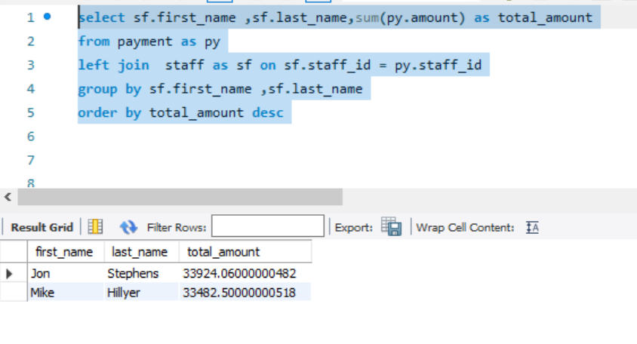
3. Are there correlations between staff performance and customer satisfaction?

select sf.first_name ,sf.last_name,sum(py.amount) as total_amount
from payment as py
left join staff as sf on sf.staff_id = py.staff_id
group by sf.first_name ,sf.last_name
order by total_amount desc

Q7
7. Are certain film categories more popular in specific locations?

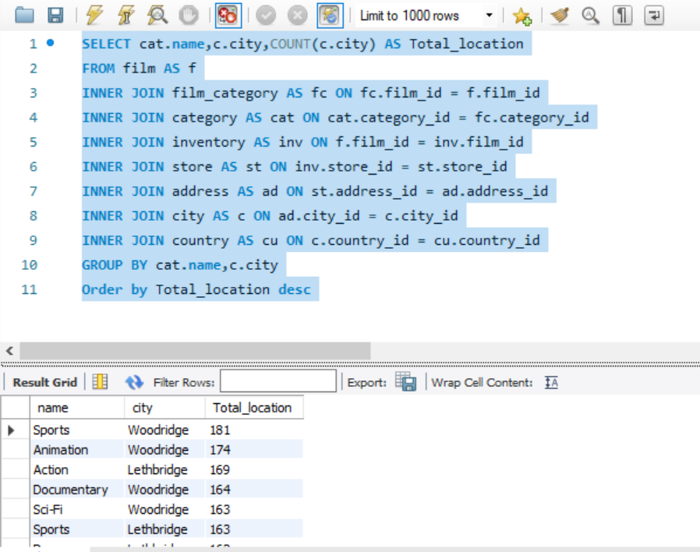
SELECT cat.name,c.city,COUNT(c.city) AS Total_location
FROM film AS f
INNER JOIN film_category AS fc ON fc.film_id = f.film_id
INNER JOIN category AS cat ON cat.category_id = fc.category_id
INNER JOIN inventory AS inv ON f.film_id = inv.film_id
INNER JOIN store AS st ON inv.store_id = st.store_id
INNER JOIN address AS ad ON st.address_id = ad.address_id
INNER JOIN city AS c ON ad.city_id = c.city_id
INNER JOIN country AS cu ON c.country_id = cu.country_id
GROUP BY cat.name,c.city
Order by Total_location desc

name | city | Total_location
Sports | Woodridge | 181
Animation | Woodridge | 174
Action | Lethbridge | 169
Documentary | Woodridge | 164
Sci-Fi | Woodridge | 163 | Sum of Total_location | Column Labels
Sports | Lethbridge | 163 | Row Labels | Lethbridge | Woodridge | Grand Total
Drama | Lethbridge | 162 | Action | 169 | 143 | 312
Animation | Lethbridge | 161 | Animation | 161 | 174 | 335
Family | Lethbridge | 157 | Children | 129 | 140 | 269
Family | Woodridge | 153 | Classics | 131 | 139 | 270
Foreign | Lethbridge | 153 | Comedy | 142 | 127 | 269
Sci-Fi | Lethbridge | 149 | Documentary | 130 | 164 | 294
Games | Woodridge | 148 | Drama | 162 | 138 | 300
New | Lethbridge | 148 | Family | 157 | 153 | 310
Foreign | Woodridge | 147 | Foreign | 153 | 147 | 300
Action | Woodridge | 143 | Games | 128 | 148 | 276
Comedy | Lethbridge | 142 | Horror | 112 | 136 | 248
Children | Woodridge | 140 | Music | 122 | 110 | 232
Classics | Woodridge | 139 | New | 148 | 127 | 275
Drama | Woodridge | 138 | Sci-Fi | 149 | 163 | 312
Horror | Woodridge | 136 | Sports | 163 | 181 | 344
Classics | Lethbridge | 131 | Travel | 114 | 121 | 235
Documentary | Lethbridge | 130 | Grand Total | 2270 | 2311 | 4581
Children | Lethbridge | 129
Games | Lethbridge | 128
Comedy | Woodridge | 127
New | Woodridge | 127
Music | Lethbridge | 122
Travel | Woodridge | 121
Travel | Lethbridge | 114
Horror | Lethbridge | 112
Music | Woodridge | 110

EQ1
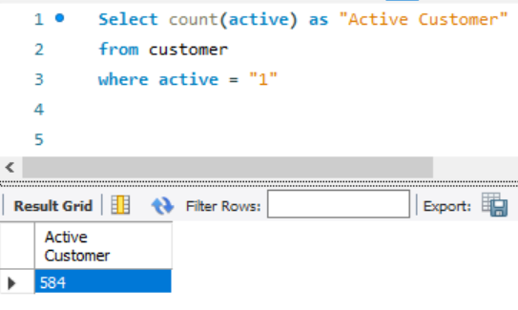
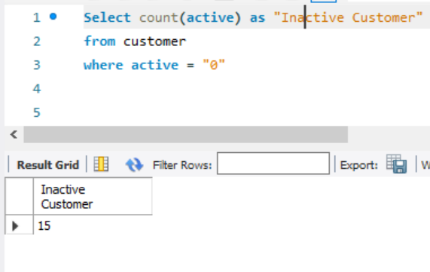
1.Number of Active & Inactive customers

Select count(active) as "Active Customer" | Select count(active) as "Inactive Customer"
from customer | from customer
where active = "1" | where active = "0"

EQ2
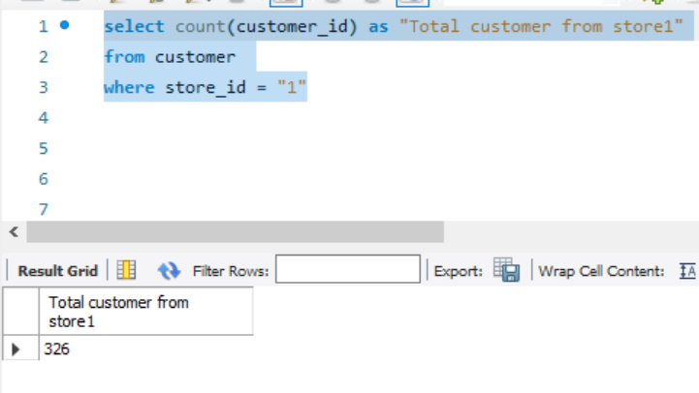
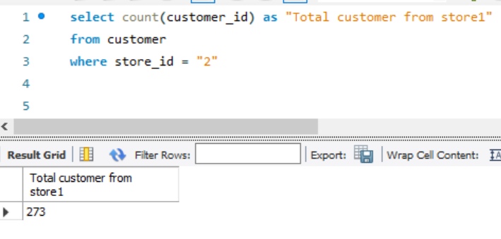
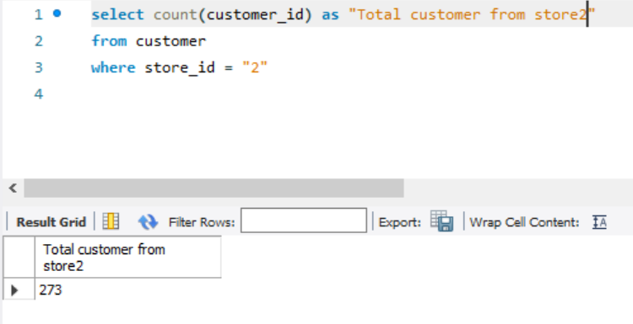
2. Total customer from Store 1 & 2

select count(customer_id) as "Total customer from store1" | select count(customer_id) as "Total customer from store1"
from customer | from customer
where store_id = "1" | where store_id = "2"

EQ3
3. Films By Language

Select title , description, l.name
from film as f
left join language as l on l.language_id = f.language_id

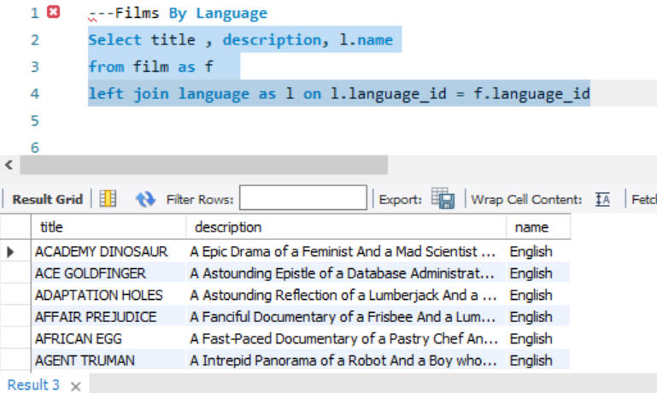
title | description | name
ACADEMY DINOSAUR | A Epic Drama of a Feminist And a Mad Scientist who must Battle a Teacher in The Canadian Rockies | English
ACE GOLDFINGER | A Astounding Epistle of a Database Administrator And a Explorer who must Find a Car in Ancient China | English
ADAPTATION HOLES | A Astounding Reflection of a Lumberjack And a Car who must Sink a Lumberjack in A Baloon Factory | English
AFFAIR PREJUDICE | A Fanciful Documentary of a Frisbee And a Lumberjack who must Chase a Monkey in A Shark Tank | English
AFRICAN EGG | A Fast-Paced Documentary of a Pastry Chef And a Dentist who must Pursue a Forensic Psychologist in The Gulf of Mexico | English
AGENT TRUMAN | A Intrepid Panorama of a Robot And a Boy who must Escape a Sumo Wrestler in Ancient China | English
AIRPLANE SIERRA | A Touching Saga of a Hunter And a Butler who must Discover a Butler in A Jet Boat | English
AIRPORT POLLOCK | A Epic Tale of a Moose And a Girl who must Confront a Monkey in Ancient India | English
ALABAMA DEVIL | A Thoughtful Panorama of a Database Administrator And a Mad Scientist who must Outgun a Mad Scientist in A Jet Boat | English
ALADDIN CALENDAR | A Action-Packed Tale of a Man And a Lumberjack who must Reach a Feminist in Ancient China | English
ALAMO VIDEOTAPE | A Boring Epistle of a Butler And a Cat who must Fight a Pastry Chef in A MySQL Convention | English
ALASKA PHANTOM | A Fanciful Saga of a Hunter And a Pastry Chef who must Vanquish a Boy in Australia | English
ALI FOREVER | A Action-Packed Drama of a Dentist And a Crocodile who must Battle a Feminist in The Canadian Rockies | English
ALICE FANTASIA | A Emotional Drama of a A Shark And a Database Administrator who must Vanquish a Pioneer in Soviet Georgia | English
ALIEN CENTER | A Brilliant Drama of a Cat And a Mad Scientist who must Battle a Feminist in A MySQL Convention | English
ALLEY EVOLUTION | A Fast-Paced Drama of a Robot And a Composer who must Battle a Astronaut in New Orleans | English
ALONE TRIP | A Fast-Paced Character Study of a Composer And a Dog who must Outgun a Boat in An Abandoned Fun House | English
ALTER VICTORY | A Thoughtful Drama of a Composer And a Feminist who must Meet a Secret Agent in The Canadian Rockies | English
AMADEUS HOLY | A Emotional Display of a Pioneer And a Technical Writer who must Battle a Man in A Baloon | English
AMELIE HELLFIGHTERS | A Boring Drama of a Woman And a Squirrel who must Conquer a Student in A Baloon | English
AMERICAN CIRCUS | A Insightful Drama of a Girl And a Astronaut who must Face a Database Administrator in A Shark Tank | English
AMISTAD MIDSUMMER | A Emotional Character Study of a Dentist And a Crocodile who must Meet a Sumo Wrestler in California | English
ANACONDA CONFESSIONS | A Lacklusture Display of a Dentist And a Dentist who must Fight a Girl in Australia | English
ANALYZE HOOSIERS | A Thoughtful Display of a Explorer And a Pastry Chef who must Overcome a Feminist in The Sahara Desert | English
ANGELS LIFE | A Thoughtful Display of a Woman And a Astronaut who must Battle a Robot in Berlin | English
ANNIE IDENTITY | A Amazing Panorama of a Pastry Chef And a Boat who must Escape a Woman in An Abandoned Amusement Park | English
ANONYMOUS HUMAN | A Amazing Reflection of a Database Administrator And a Astronaut who must Outrace a Database Administrator in A Shark Tank | English
ANTHEM LUKE | A Touching Panorama of a Waitress And a Woman who must Outrace a Dog in An Abandoned Amusement Park | English
ANTITRUST TOMATOES | A Fateful Yarn of a Womanizer And a Feminist who must Succumb a Database Administrator in Ancient India | English
ANYTHING SAVANNAH | A Epic Story of a Pastry Chef And a Woman who must Chase a Feminist in An Abandoned Fun House | English
APACHE DIVINE | A Awe-Inspiring Reflection of a Pastry Chef And a Teacher who must Overcome a Sumo Wrestler in A U-Boat | English
APOCALYPSE FLAMINGOS | A Astounding Story of a Dog And a Squirrel who must Defeat a Woman in An Abandoned Amusement Park | English
APOLLO TEEN | A Action-Packed Reflection of a Crocodile And a Explorer who must Find a Sumo Wrestler in An Abandoned Mine Shaft | English
ARABIA DOGMA | A Touching Epistle of a Madman And a Mad Cow who must Defeat a Student in Nigeria | English
ARACHNOPHOBIA ROLLERCOASTER | A Action-Packed Reflection of a Pastry Chef And a Composer who must Discover a Mad Scientist in The First Manned Space Station | English
ARGONAUTS TOWN | A Emotional Epistle of a Forensic Psychologist And a Butler who must Challenge a Waitress in An Abandoned Mine Shaft | English
ARIZONA BANG | A Brilliant Panorama of a Mad Scientist And a Mad Cow who must Meet a Pioneer in A Monastery | English
ARK RIDGEMONT | A Beautiful Yarn of a Pioneer And a Monkey who must Pursue a Explorer in The Sahara Desert | English
ARMAGEDDON LOST | A Fast-Paced Tale of a Boat And a Teacher who must Succumb a Composer in An Abandoned Mine Shaft | English
ARMY FLINTSTONES | A Boring Saga of a Database Administrator And a Womanizer who must Battle a Waitress in Nigeria | English
ARSENIC INDEPENDENCE | A Fanciful Documentary of a Mad Cow And a Womanizer who must Find a Dentist in Berlin | English
ARTIST COLDBLOODED | A Stunning Reflection of a Robot And a Moose who must Challenge a Woman in California | English
ATLANTIS CAUSE | A Thrilling Yarn of a Feminist And a Hunter who must Fight a Technical Writer in A Shark Tank | English
ATTACKS HATE | A Fast-Paced Panorama of a Technical Writer And a Mad Scientist who must Find a Feminist in An Abandoned Mine Shaft | English
ATTRACTION NEWTON | A Astounding Panorama of a Composer And a Frisbee who must Reach a Husband in Ancient Japan | English
AUTUMN CROW | A Beautiful Tale of a Dentist And a Mad Cow who must Battle a Moose in The Sahara Desert | English
BABY HALL | A Boring Character Study of a A Shark And a Girl who must Outrace a Feminist in An Abandoned Mine Shaft | English
BACKLASH UNDEFEATED | A Stunning Character Study of a Mad Scientist And a Mad Cow who must Kill a Car in A Monastery | English
BADMAN DAWN | A Emotional Panorama of a Pioneer And a Composer who must Escape a Mad Scientist in A Jet Boat | English
BAKED CLEOPATRA | A Stunning Drama of a Forensic Psychologist And a Husband who must Overcome a Waitress in A Monastery | English
BALLOON HOMEWARD | A Insightful Panorama of a Forensic Psychologist And a Mad Cow who must Build a Mad Scientist in The First Manned Space Station | English
BALLROOM MOCKINGBIRD | A Thrilling Documentary of a Composer And a Monkey who must Find a Feminist in California | English
BANG KWAI | A Epic Drama of a Madman And a Cat who must Face a A Shark in An Abandoned Amusement Park | English
BANGER PINOCCHIO | A Awe-Inspiring Drama of a Car And a Pastry Chef who must Chase a Crocodile in The First Manned Space Station | English
BARBARELLA STREETCAR | A Awe-Inspiring Story of a Feminist And a Cat who must Conquer a Dog in A Monastery | English
BAREFOOT MANCHURIAN | A Intrepid Story of a Cat And a Student who must Vanquish a Girl in An Abandoned Amusement Park | English
BASIC EASY | A Stunning Epistle of a Man And a Husband who must Reach a Mad Scientist in A Jet Boat | English
BEACH HEARTBREAKERS | A Fateful Display of a Womanizer And a Mad Scientist who must Outgun a A Shark in Soviet Georgia | English
BEAR GRACELAND | A Astounding Saga of a Dog And a Boy who must Kill a Teacher in The First Manned Space Station | English
BEAST HUNCHBACK | A Awe-Inspiring Epistle of a Student And a Squirrel who must Defeat a Boy in Ancient China | English
BEAUTY GREASE | A Fast-Paced Display of a Composer And a Moose who must Sink a Robot in An Abandoned Mine Shaft | English
BED HIGHBALL | A Astounding Panorama of a Lumberjack And a Dog who must Redeem a Woman in An Abandoned Fun House | English
BEDAZZLED MARRIED | A Astounding Character Study of a Madman And a Robot who must Meet a Mad Scientist in An Abandoned Fun House | English
BEETHOVEN EXORCIST | A Epic Display of a Pioneer And a Student who must Challenge a Butler in The Gulf of Mexico | English
BEHAVIOR RUNAWAY | A Unbelieveable Drama of a Student And a Husband who must Outrace a Sumo Wrestler in Berlin | English
BENEATH RUSH | A Astounding Panorama of a Man And a Monkey who must Discover a Man in The First Manned Space Station | English
BERETS AGENT | A Taut Saga of a Crocodile And a Boy who must Overcome a Technical Writer in Ancient China | English
BETRAYED REAR | A Emotional Character Study of a Boat And a Pioneer who must Find a Explorer in A Shark Tank | English
BEVERLY OUTLAW | A Fanciful Documentary of a Womanizer And a Boat who must Defeat a Madman in The First Manned Space Station | English
BIKINI BORROWERS | A Astounding Drama of a Astronaut And a Cat who must Discover a Woman in The First Manned Space Station | English
BILKO ANONYMOUS | A Emotional Reflection of a Teacher And a Man who must Meet a Cat in The First Manned Space Station | English
BILL OTHERS | A Stunning Saga of a Mad Scientist And a Forensic Psychologist who must Challenge a Squirrel in A MySQL Convention | English
BINGO TALENTED | A Touching Tale of a Girl And a Crocodile who must Discover a Waitress in Nigeria | English
BIRCH ANTITRUST | A Fanciful Panorama of a Husband And a Pioneer who must Outgun a Dog in A Baloon | English
BIRD INDEPENDENCE | A Thrilling Documentary of a Car And a Student who must Sink a Hunter in The Canadian Rockies | English
BIRDCAGE CASPER | A Fast-Paced Saga of a Frisbee And a Astronaut who must Overcome a Feminist in Ancient India | English
BIRDS PERDITION | A Boring Story of a Womanizer And a Pioneer who must Face a Dog in California | English
BLACKOUT PRIVATE | A Intrepid Yarn of a Pastry Chef And a Mad Scientist who must Challenge a Secret Agent in Ancient Japan | English
BLADE POLISH | A Thoughtful Character Study of a Frisbee And a Pastry Chef who must Fight a Dentist in The First Manned Space Station | English
BLANKET BEVERLY | A Emotional Documentary of a Student And a Girl who must Build a Boat in Nigeria | English
BLINDNESS GUN | A Touching Drama of a Robot And a Dentist who must Meet a Hunter in A Jet Boat | English
BLOOD ARGONAUTS | A Boring Drama of a Explorer And a Man who must Kill a Lumberjack in A Manhattan Penthouse | English
BLUES INSTINCT | A Insightful Documentary of a Boat And a Composer who must Meet a Forensic Psychologist in An Abandoned Fun House | English
BOILED DARES | A Awe-Inspiring Story of a Waitress And a Dog who must Discover a Dentist in Ancient Japan | English
BONNIE HOLOCAUST | A Fast-Paced Story of a Crocodile And a Robot who must Find a Moose in Ancient Japan | English
BOOGIE AMELIE | A Lacklusture Character Study of a Husband And a Sumo Wrestler who must Succumb a Technical Writer in The Gulf of Mexico | English
BOONDOCK BALLROOM | A Fateful Panorama of a Crocodile And a Boy who must Defeat a Monkey in The Gulf of Mexico | English
BORN SPINAL | A Touching Epistle of a Frisbee And a Husband who must Pursue a Student in Nigeria | English
BORROWERS BEDAZZLED | A Brilliant Epistle of a Teacher And a Sumo Wrestler who must Defeat a Man in An Abandoned Fun House | English
BOULEVARD MOB | A Fateful Epistle of a Moose And a Monkey who must Confront a Lumberjack in Ancient China | English
BOUND CHEAPER | A Thrilling Panorama of a Database Administrator And a Astronaut who must Challenge a Lumberjack in A Baloon | English
BOWFINGER GABLES | A Fast-Paced Yarn of a Waitress And a Composer who must Outgun a Dentist in California | English
BRANNIGAN SUNRISE | A Amazing Epistle of a Moose And a Crocodile who must Outrace a Dog in Berlin | English
BRAVEHEART HUMAN | A Insightful Story of a Dog And a Pastry Chef who must Battle a Girl in Berlin | English
BREAKFAST GOLDFINGER | A Beautiful Reflection of a Student And a Student who must Fight a Moose in Berlin | English
BREAKING HOME | A Beautiful Display of a Secret Agent And a Monkey who must Battle a Sumo Wrestler in An Abandoned Mine Shaft | English
BRIDE INTRIGUE | A Epic Tale of a Robot And a Monkey who must Vanquish a Man in New Orleans | English
BRIGHT ENCOUNTERS | A Fateful Yarn of a Lumberjack And a Feminist who must Conquer a Student in A Jet Boat | English
BRINGING HYSTERICAL | A Fateful Saga of a A Shark And a Technical Writer who must Find a Woman in A Jet Boat | English
BROOKLYN DESERT | A Beautiful Drama of a Dentist And a Composer who must Battle a Sumo Wrestler in The First Manned Space Station | English
BROTHERHOOD BLANKET | A Fateful Character Study of a Butler And a Technical Writer who must Sink a Astronaut in Ancient Japan | English
BUBBLE GROSSE | A Awe-Inspiring Panorama of a Crocodile And a Moose who must Confront a Girl in A Baloon | English
BUCKET BROTHERHOOD | A Amazing Display of a Girl And a Womanizer who must Succumb a Lumberjack in A Baloon Factory | English
BUGSY SONG | A Awe-Inspiring Character Study of a Secret Agent And a Boat who must Find a Squirrel in The First Manned Space Station | English
BULL SHAWSHANK | A Fanciful Drama of a Moose And a Squirrel who must Conquer a Pioneer in The Canadian Rockies | English
BULWORTH COMMANDMENTS | A Amazing Display of a Mad Cow And a Pioneer who must Redeem a Sumo Wrestler in The Outback | English
BUNCH MINDS | A Emotional Story of a Feminist And a Feminist who must Escape a Pastry Chef in A MySQL Convention | English
BUTCH PANTHER | A Lacklusture Yarn of a Feminist And a Database Administrator who must Face a Hunter in New Orleans | English
BUTTERFLY CHOCOLAT | A Fateful Story of a Girl And a Composer who must Conquer a Husband in A Shark Tank | English
CABIN FLASH | A Stunning Epistle of a Boat And a Man who must Challenge a A Shark in A Baloon Factory | English
CADDYSHACK JEDI | A Awe-Inspiring Epistle of a Woman And a Madman who must Fight a Robot in Soviet Georgia | English
CALENDAR GUNFIGHT | A Thrilling Drama of a Frisbee And a Lumberjack who must Sink a Man in Nigeria | English
CALIFORNIA BIRDS | A Thrilling Yarn of a Database Administrator And a Robot who must Battle a Database Administrator in Ancient India | English
CAMELOT VACATION | A Touching Character Study of a Woman And a Waitress who must Battle a Pastry Chef in A MySQL Convention | English
CAMPUS REMEMBER | A Astounding Drama of a Crocodile And a Mad Cow who must Build a Robot in A Jet Boat | English
CANDIDATE PERDITION | A Brilliant Epistle of a Composer And a Database Administrator who must Vanquish a Mad Scientist in The First Manned Space Station | English
CANDLES GRAPES | A Fanciful Character Study of a Monkey And a Explorer who must Build a Astronaut in An Abandoned Fun House | English
CANYON STOCK | A Thoughtful Reflection of a Waitress And a Feminist who must Escape a Squirrel in A Manhattan Penthouse | English
CAPER MOTIONS | A Fateful Saga of a Moose And a Car who must Pursue a Woman in A MySQL Convention | English
CARIBBEAN LIBERTY | A Fanciful Tale of a Pioneer And a Technical Writer who must Outgun a Pioneer in A Shark Tank | English
CAROL TEXAS | A Astounding Character Study of a Composer And a Student who must Overcome a Composer in A Monastery | English
CARRIE BUNCH | A Amazing Epistle of a Student And a Astronaut who must Discover a Frisbee in The Canadian Rockies | English
CASABLANCA SUPER | A Amazing Panorama of a Crocodile And a Forensic Psychologist who must Pursue a Secret Agent in The First Manned Space Station | English
CASPER DRAGONFLY | A Intrepid Documentary of a Boat And a Crocodile who must Chase a Robot in The Sahara Desert | English
CASSIDY WYOMING | A Intrepid Drama of a Frisbee And a Hunter who must Kill a Secret Agent in New Orleans | English
CASUALTIES ENCINO | A Insightful Yarn of a A Shark And a Pastry Chef who must Face a Boy in A Monastery | English
CAT CONEHEADS | A Fast-Paced Panorama of a Girl And a A Shark who must Confront a Boy in Ancient India | English
CATCH AMISTAD | A Boring Reflection of a Lumberjack And a Feminist who must Discover a Woman in Nigeria | English
CAUSE DATE | A Taut Tale of a Explorer And a Pastry Chef who must Conquer a Hunter in A MySQL Convention | English
CELEBRITY HORN | A Amazing Documentary of a Secret Agent And a Astronaut who must Vanquish a Hunter in A Shark Tank | English
CENTER DINOSAUR | A Beautiful Character Study of a Sumo Wrestler And a Dentist who must Find a Dog in California | English
CHAINSAW UPTOWN | A Beautiful Documentary of a Boy And a Robot who must Discover a Squirrel in Australia | English
CHAMBER ITALIAN | A Fateful Reflection of a Moose And a Husband who must Overcome a Monkey in Nigeria | English
CHAMPION FLATLINERS | A Amazing Story of a Mad Cow And a Dog who must Kill a Husband in A Monastery | English
CHANCE RESURRECTION | A Astounding Story of a Forensic Psychologist And a Forensic Psychologist who must Overcome a Moose in Ancient China | English
CHAPLIN LICENSE | A Boring Drama of a Dog And a Forensic Psychologist who must Outrace a Explorer in Ancient India | English
CHARADE DUFFEL | A Action-Packed Display of a Man And a Waitress who must Build a Dog in A MySQL Convention | English
CHARIOTS CONSPIRACY | A Unbelieveable Epistle of a Robot And a Husband who must Chase a Robot in The First Manned Space Station | English
CHASING FIGHT | A Astounding Saga of a Technical Writer And a Butler who must Battle a Butler in A Shark Tank | English
CHEAPER CLYDE | A Emotional Character Study of a Pioneer And a Girl who must Discover a Dog in Ancient Japan | English
CHICAGO NORTH | A Fateful Yarn of a Mad Cow And a Waitress who must Battle a Student in California | English
CHICKEN HELLFIGHTERS | A Emotional Drama of a Dog And a Explorer who must Outrace a Technical Writer in Australia | English
CHILL LUCK | A Lacklusture Epistle of a Boat And a Technical Writer who must Fight a A Shark in The Canadian Rockies | English
CHINATOWN GLADIATOR | A Brilliant Panorama of a Technical Writer And a Lumberjack who must Escape a Butler in Ancient India | English
CHISUM BEHAVIOR | A Epic Documentary of a Sumo Wrestler And a Butler who must Kill a Car in Ancient India | English
CHITTY LOCK | A Boring Epistle of a Boat And a Database Administrator who must Kill a Sumo Wrestler in The First Manned Space Station | English
CHOCOLAT HARRY | A Action-Packed Epistle of a Dentist And a Moose who must Meet a Mad Cow in Ancient Japan | English
CHOCOLATE DUCK | A Unbelieveable Story of a Mad Scientist And a Technical Writer who must Discover a Composer in Ancient China | English
CHRISTMAS MOONSHINE | A Action-Packed Epistle of a Feminist And a Astronaut who must Conquer a Boat in A Manhattan Penthouse | English
CIDER DESIRE | A Stunning Character Study of a Composer And a Mad Cow who must Succumb a Cat in Soviet Georgia | English
CINCINATTI WHISPERER | A Brilliant Saga of a Pastry Chef And a Hunter who must Confront a Butler in Berlin | English
CIRCUS YOUTH | A Thoughtful Drama of a Pastry Chef And a Dentist who must Pursue a Girl in A Baloon | English
CITIZEN SHREK | A Fanciful Character Study of a Technical Writer And a Husband who must Redeem a Robot in The Outback | English
CLASH FREDDY | A Amazing Yarn of a Composer And a Squirrel who must Escape a Astronaut in Australia | English
CLEOPATRA DEVIL | A Fanciful Documentary of a Crocodile And a Technical Writer who must Fight a A Shark in A Baloon | English
CLERKS ANGELS | A Thrilling Display of a Sumo Wrestler And a Girl who must Confront a Man in A Baloon | English
CLOCKWORK PARADISE | A Insightful Documentary of a Technical Writer And a Feminist who must Challenge a Cat in A Baloon | English
CLONES PINOCCHIO | A Amazing Drama of a Car And a Robot who must Pursue a Dentist in New Orleans | English
CLOSER BANG | A Unbelieveable Panorama of a Frisbee And a Hunter who must Vanquish a Monkey in Ancient India | English
CLUB GRAFFITI | A Epic Tale of a Pioneer And a Hunter who must Escape a Girl in A U-Boat | English
CLUE GRAIL | A Taut Tale of a Butler And a Mad Scientist who must Build a Crocodile in Ancient China | English
CLUELESS BUCKET | A Taut Tale of a Car And a Pioneer who must Conquer a Sumo Wrestler in An Abandoned Fun House | English
CLYDE THEORY | A Beautiful Yarn of a Astronaut And a Frisbee who must Overcome a Explorer in A Jet Boat | English
COAST RAINBOW | A Astounding Documentary of a Mad Cow And a Pioneer who must Challenge a Butler in The Sahara Desert | English
COLDBLOODED DARLING | A Brilliant Panorama of a Dentist And a Moose who must Find a Student in The Gulf of Mexico | English
COLOR PHILADELPHIA | A Thoughtful Panorama of a Car And a Crocodile who must Sink a Monkey in The Sahara Desert | English
COMA HEAD | A Awe-Inspiring Drama of a Boy And a Frisbee who must Escape a Pastry Chef in California | English
COMANCHEROS ENEMY | A Boring Saga of a Lumberjack And a Monkey who must Find a Monkey in The Gulf of Mexico | English
COMFORTS RUSH | A Unbelieveable Panorama of a Pioneer And a Husband who must Meet a Mad Cow in An Abandoned Mine Shaft | English
COMMAND DARLING | A Awe-Inspiring Tale of a Forensic Psychologist And a Woman who must Challenge a Database Administrator in Ancient Japan | English
COMMANDMENTS EXPRESS | A Fanciful Saga of a Student And a Mad Scientist who must Battle a Hunter in An Abandoned Mine Shaft | English
CONEHEADS SMOOCHY | A Touching Story of a Womanizer And a Composer who must Pursue a Husband in Nigeria | English
CONFESSIONS MAGUIRE | A Insightful Story of a Car And a Boy who must Battle a Technical Writer in A Baloon | English
CONFIDENTIAL INTERVIEW | A Stunning Reflection of a Cat And a Woman who must Find a Astronaut in Ancient Japan | English
CONFUSED CANDLES | A Stunning Epistle of a Cat And a Forensic Psychologist who must Confront a Pioneer in A Baloon | English
CONGENIALITY QUEST | A Touching Documentary of a Cat And a Pastry Chef who must Find a Lumberjack in A Baloon | English
CONNECTICUT TRAMP | A Unbelieveable Drama of a Crocodile And a Mad Cow who must Reach a Dentist in A Shark Tank | English
CONNECTION MICROCOSMOS | A Fateful Documentary of a Crocodile And a Husband who must Face a Husband in The First Manned Space Station | English
CONQUERER NUTS | A Taut Drama of a Mad Scientist And a Man who must Escape a Pioneer in An Abandoned Mine Shaft | English
CONSPIRACY SPIRIT | A Awe-Inspiring Story of a Student And a Frisbee who must Conquer a Crocodile in An Abandoned Mine Shaft | English
CONTACT ANONYMOUS | A Insightful Display of a A Shark And a Monkey who must Face a Database Administrator in Ancient India | English
CONTROL ANTHEM | A Fateful Documentary of a Robot And a Student who must Battle a Cat in A Monastery | English
CONVERSATION DOWNHILL | A Taut Character Study of a Husband And a Waitress who must Sink a Squirrel in A MySQL Convention | English
CORE SUIT | A Unbelieveable Tale of a Car And a Explorer who must Confront a Boat in A Manhattan Penthouse | English
COWBOY DOOM | A Astounding Drama of a Boy And a Lumberjack who must Fight a Butler in A Baloon | English
CRAFT OUTFIELD | A Lacklusture Display of a Explorer And a Hunter who must Succumb a Database Administrator in A Baloon Factory | English
CRANES RESERVOIR | A Fanciful Documentary of a Teacher And a Dog who must Outgun a Forensic Psychologist in A Baloon Factory | English
CRAZY HOME | A Fanciful Panorama of a Boy And a Woman who must Vanquish a Database Administrator in The Outback | English
CREATURES SHAKESPEARE | A Emotional Drama of a Womanizer And a Squirrel who must Vanquish a Crocodile in Ancient India | English
CREEPERS KANE | A Awe-Inspiring Reflection of a Squirrel And a Boat who must Outrace a Car in A Jet Boat | English
CROOKED FROGMEN | A Unbelieveable Drama of a Hunter And a Database Administrator who must Battle a Crocodile in An Abandoned Amusement Park | English
CROSSING DIVORCE | A Beautiful Documentary of a Dog And a Robot who must Redeem a Womanizer in Berlin | English
CROSSROADS CASUALTIES | A Intrepid Documentary of a Sumo Wrestler And a Astronaut who must Battle a Composer in The Outback | English
...

EQ4
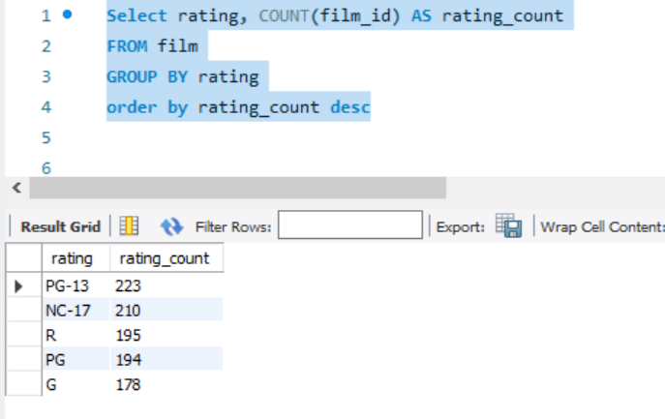
4. Total Films By Rating

Select rating, COUNT(film_id) AS rating_count
FROM film
GROUP BY rating
order by rating_count desc

EQ5
5. Films with category

Select f.title,f.description,c.name as category
from film as f
left join film_category as fc on fc.film_id=f.film_id
left join category as c on c.category_id=fc.category_id
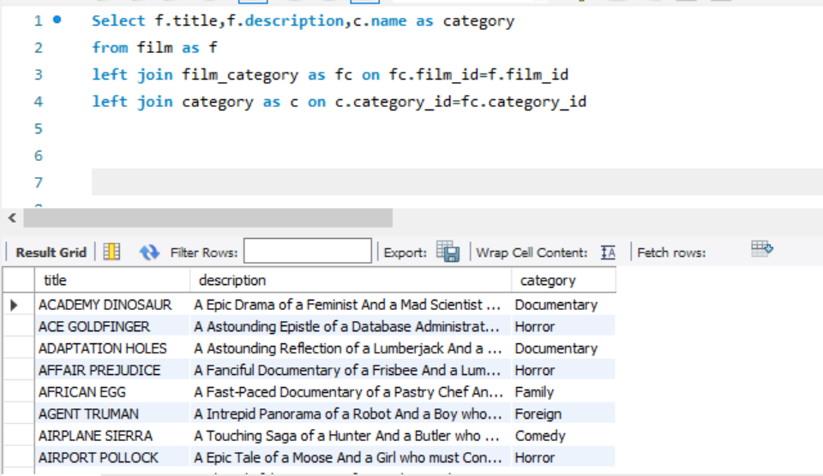
title | description | name
ACADEMY DINOSAUR | A Epic Drama of a Feminist And a Mad Scientist who must Battle a Teacher in The Canadian Rockies | Documentary
ACE GOLDFINGER | A Astounding Epistle of a Database Administrator And a Explorer who must Find a Car in Ancient China | Horror
ADAPTATION HOLES | A Astounding Reflection of a Lumberjack And a Car who must Sink a Lumberjack in A Baloon Factory | Documentary
AFFAIR PREJUDICE | A Fanciful Documentary of a Frisbee And a Lumberjack who must Chase a Monkey in A Shark Tank | Horror
AFRICAN EGG | A Fast-Paced Documentary of a Pastry Chef And a Dentist who must Pursue a Forensic Psychologist in The Gulf of Mexico | Family
AGENT TRUMAN | A Intrepid Panorama of a Robot And a Boy who must Escape a Sumo Wrestler in Ancient China | Foreign
AIRPLANE SIERRA | A Touching Saga of a Hunter And a Butler who must Discover a Butler in A Jet Boat | Comedy
AIRPORT POLLOCK | A Epic Tale of a Moose And a Girl who must Confront a Monkey in Ancient India | Horror
ALABAMA DEVIL | A Thoughtful Panorama of a Database Administrator And a Mad Scientist who must Outgun a Mad Scientist in A Jet Boat | Horror
ALADDIN CALENDAR | A Action-Packed Tale of a Man And a Lumberjack who must Reach a Feminist in Ancient China | Sports
ALAMO VIDEOTAPE | A Boring Epistle of a Butler And a Cat who must Fight a Pastry Chef in A MySQL Convention | Foreign
ALASKA PHANTOM | A Fanciful Saga of a Hunter And a Pastry Chef who must Vanquish a Boy in Australia | Music
ALI FOREVER | A Action-Packed Drama of a Dentist And a Crocodile who must Battle a Feminist in The Canadian Rockies | Horror
ALICE FANTASIA | A Emotional Drama of a A Shark And a Database Administrator who must Vanquish a Pioneer in Soviet Georgia | Classics
ALIEN CENTER | A Brilliant Drama of a Cat And a Mad Scientist who must Battle a Feminist in A MySQL Convention | Foreign | Row Labels | Count of name | Category Name | Number of films
ALLEY EVOLUTION | A Fast-Paced Drama of a Robot And a Composer who must Battle a Astronaut in New Orleans | Foreign | Action | 64 | Sports | 74
ALONE TRIP | A Fast-Paced Character Study of a Composer And a Dog who must Outgun a Boat in An Abandoned Fun House | Music | Animation | 66 | Foreign | 73
ALTER VICTORY | A Thoughtful Drama of a Composer And a Feminist who must Meet a Secret Agent in The Canadian Rockies | Animation | Children | 60 | Family | 69
AMADEUS HOLY | A Emotional Display of a Pioneer And a Technical Writer who must Battle a Man in A Baloon | Action | Classics | 57 | Documentary | 68
AMELIE HELLFIGHTERS | A Boring Drama of a Woman And a Squirrel who must Conquer a Student in A Baloon | Music | Comedy | 58 | Animation | 66
AMERICAN CIRCUS | A Insightful Drama of a Girl And a Astronaut who must Face a Database Administrator in A Shark Tank | Action | Documentary | 68 | Action | 64
AMISTAD MIDSUMMER | A Emotional Character Study of a Dentist And a Crocodile who must Meet a Sumo Wrestler in California | New | Drama | 62 | New | 63
...

EQ6
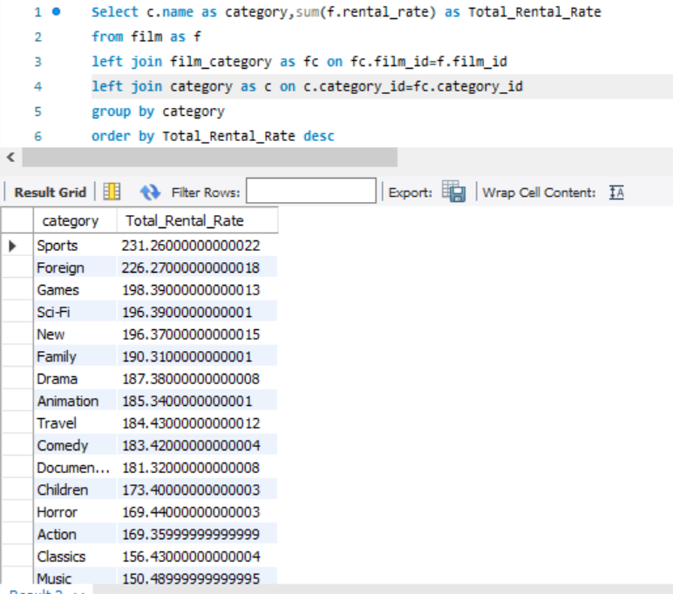
...

EQ7
7. Highest films done by an actor

select a.actor_id ,a.first_name , a.last_name, count(fa.film_id) as total_film
from actor as a
left join film_actor as fa on a.actor_id= fa.actor_id
group by a.actor_id ,a.first_name , a.last_name
order by total_film desc

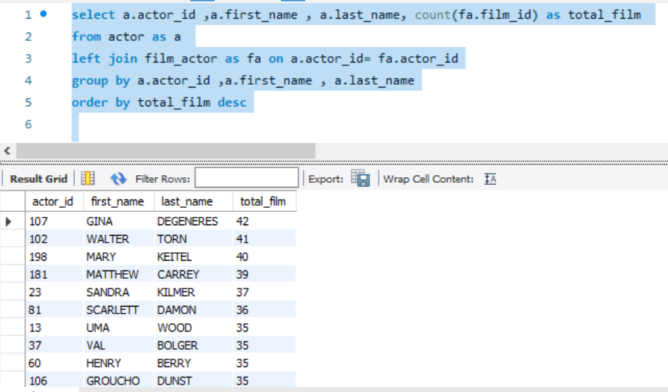
actor_id | first_name | last_name | total_film
107 | GINA | DEGENERES | 42
102 | WALTER | TORN | 41
198 | MARY | KEITEL | 40
181 | MATTHEW | CARREY | 39
23 | SANDRA | KILMER | 37
81 | SCARLETT | DAMON | 36
13 | UMA | WOOD | 35
37 | VAL | BOLGER | 35
60 | HENRY | BERRY | 35
106 | GROUCHO | DUNST | 35
144 | ANGELA | WITHERSPOON | 35
158 | VIVIEN | BASINGER | 35
65 | ANGELA | HUDSON | 34
92 | KIRSTEN | AKROYD | 34
105 | SIDNEY | CROWE | 34
108 | WARREN | NOLTE | 34
150 | JAYNE | NOLTE | 34
26 | RIP | CRAWFORD | 33
27 | JULIA | MCQUEEN | 33
83 | BEN | WILLIS | 33
90 | SEAN | GUINESS | 33
94 | KENNETH | TORN | 33
101 | SUSAN | DAVIS | 33
...

EQ8
8.Total film categories by location

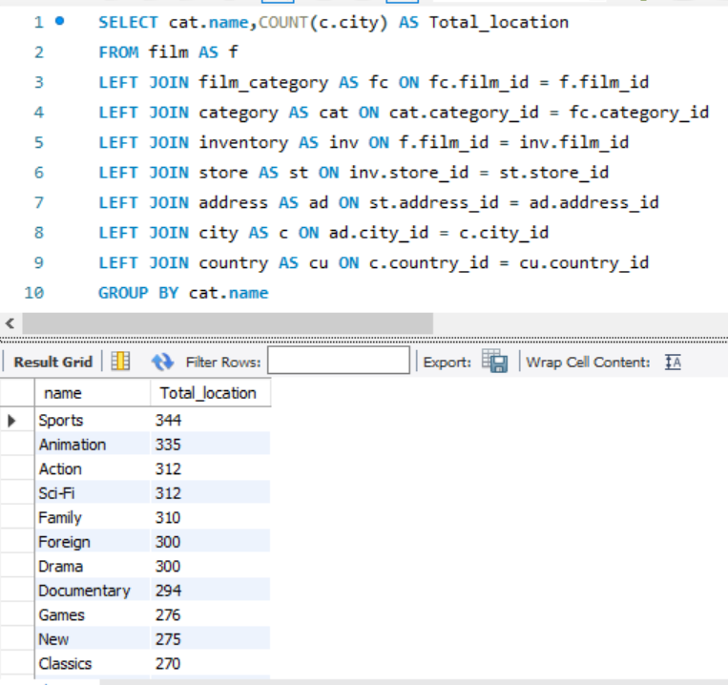
SELECT cat.name,COUNT(c.city) AS Total_location
FROM film AS f
LEFT JOIN film_category AS fc ON fc.film_id = f.film_id
LEFT JOIN category AS cat ON cat.category_id = fc.category_id
LEFT JOIN inventory AS inv ON f.film_id = inv.film_id
LEFT JOIN store AS st ON inv.store_id = st.store_id
LEFT JOIN address AS ad ON st.address_id = ad.address_id
LEFT JOIN city AS c ON ad.city_id = c.city_id
LEFT JOIN country AS cu ON c.country_id = cu.country_id
GROUP BY cat.name
Order by Total_location desc

EQ9
...
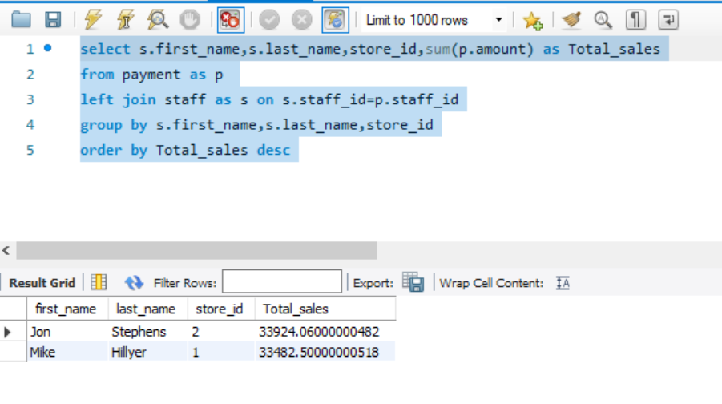
...

EQ10
...
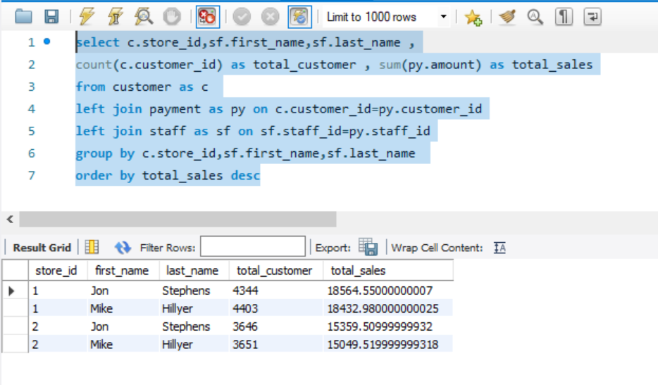
...

EQ11
11. Highest numbers of customer in a city

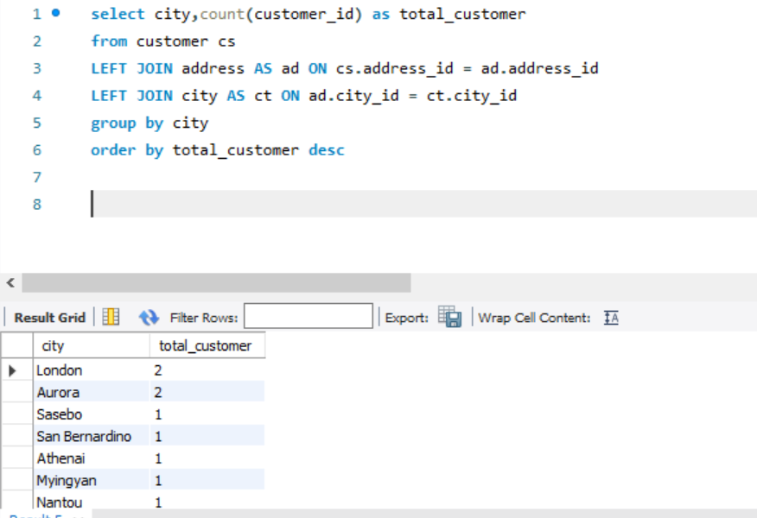
select city,count(customer_id) as total_customer
from customer cs
LEFT JOIN address AS ad ON cs.address_id = ad.address_id
LEFT JOIN city AS ct ON ad.city_id = ct.city_id
group by city
order by total_customer desc

city | total_customer
London | 2
Aurora | 2
Sasebo | 1
San Bernardino | 1
Athenai | 1
Myingyan | 1
Nantou | 1
Laredo | 1
Kragujevac | 1
Hamilton | 1
Masqat | 1
Esfahan | 1
Sagamihara | 1
Yamuna Nagar | 1
Osmaniye | 1
Citrus Heights | 1
...

EQ12
12.Total Films available in inventory by rating
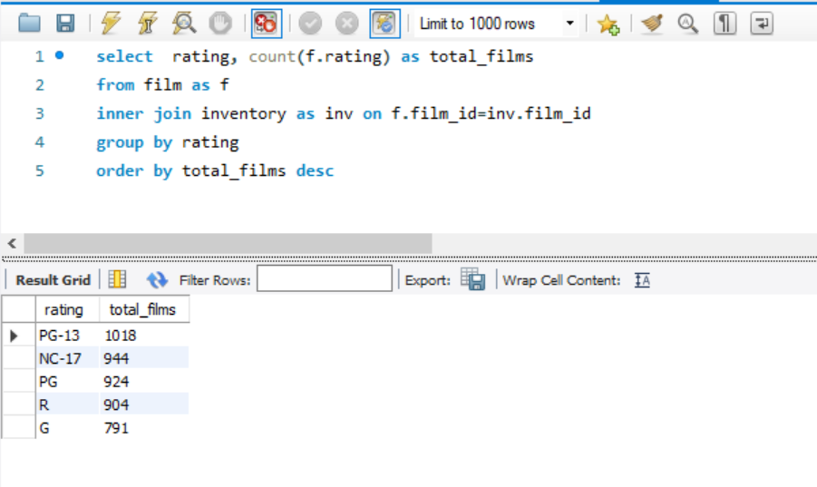
select rating, count(f.rating) as total_films
from film as f
inner join inventory as inv on f.film_id=inv.film_id
group by rating
order by total_films desc

